Sheet1
2015-05-03
Truing Up Parameter on Modelcia In studio
Expeimernt File |  | 3.23.15

First Parameter to Change

Step 1. | True up electrical genertaion to get an approximation of eta_optical
Step 2. | Start at module s3m6. Look at temperature increase over cell

STEP 1. Optical Efficiency Start 66%, Final 58% Based on Electrical generation over entire array (6 modules)
Experimental errors could be; egen was not at MPP at all time of the collecton periond. Modeling error; shading matrix is approx, leading to a largeing shading factor at the end of the collection period
1. parameter Real OpticalEfficiency = 0.66;
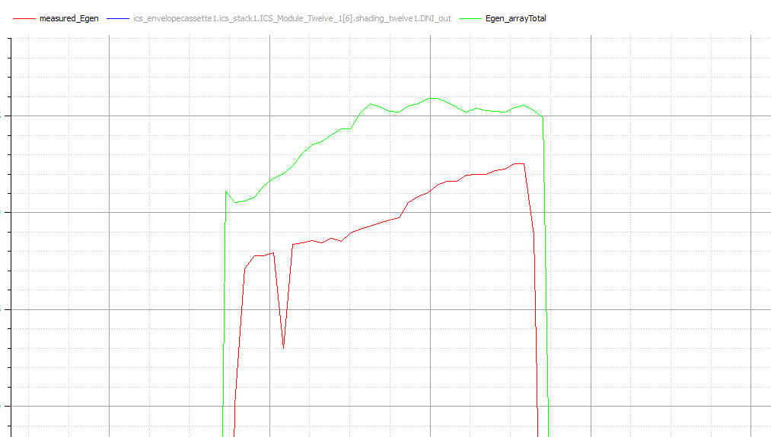

2. parameter Real OpticalEfficiency = 0.6
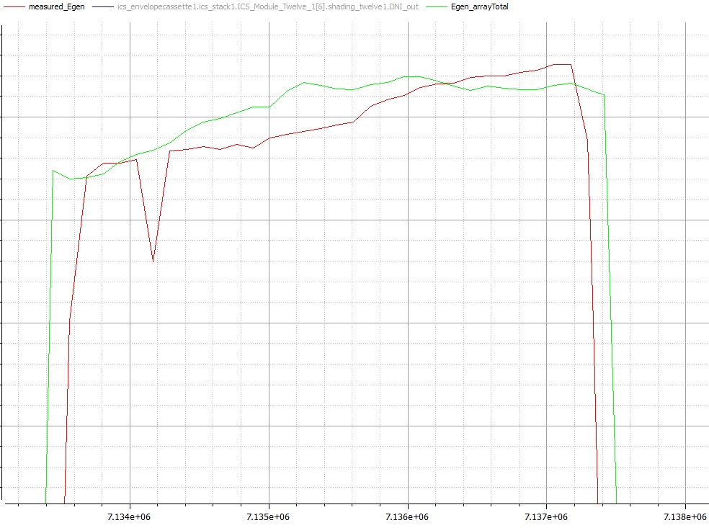

3. parameter Real OpticalEfficiency = 0.59
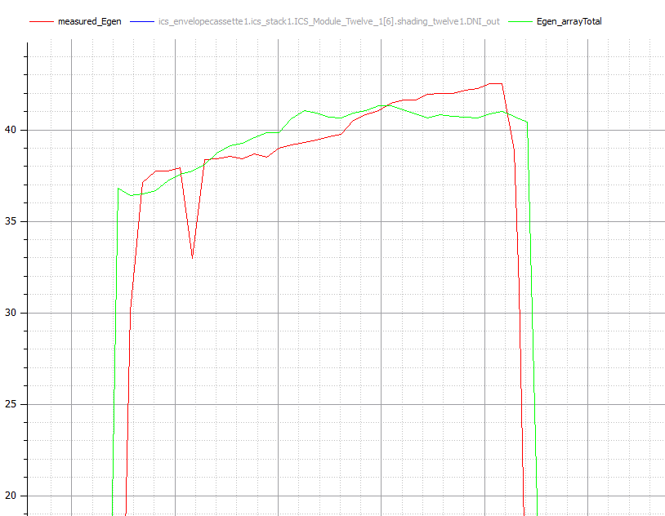

4. Paremter Real Optical Effcicemncy = 0.58 SEEM TOO LOW
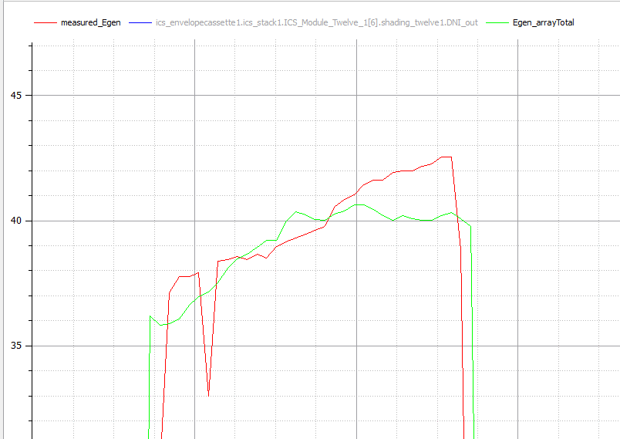

STEP 2. Checking the temps at the modules. Module 6 show below. WaterBlock resivitiy at 1.6
Little high, will attempt to adjust the theta / heat loss
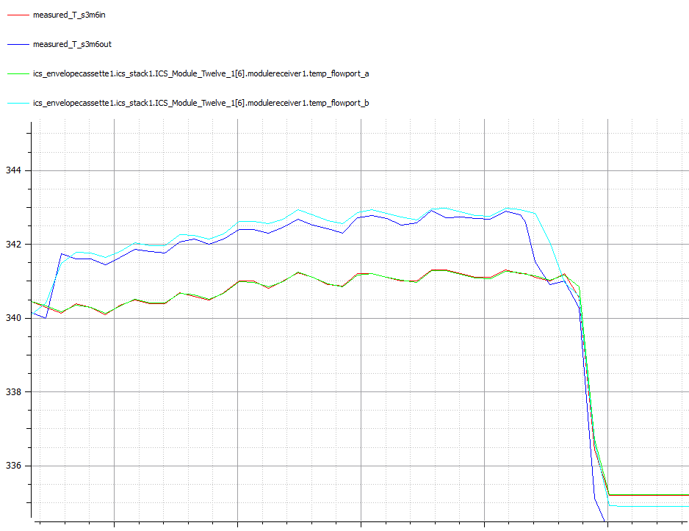

Realize that we have the we can use the reciver water block reporting from the experiment. Now showing too much heat going to point, aka the CCA resitance needs to go up |  |  |  |  | Real Resistivity_Cell = 0.2 | spec sheet says
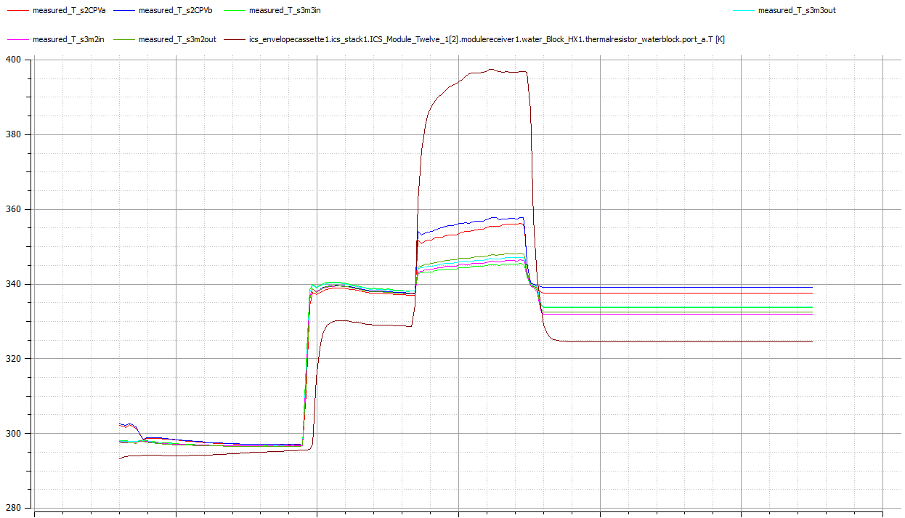
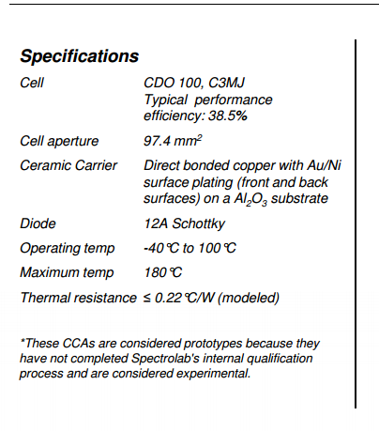

CLOSER | Real Resistivity_Cell = 4

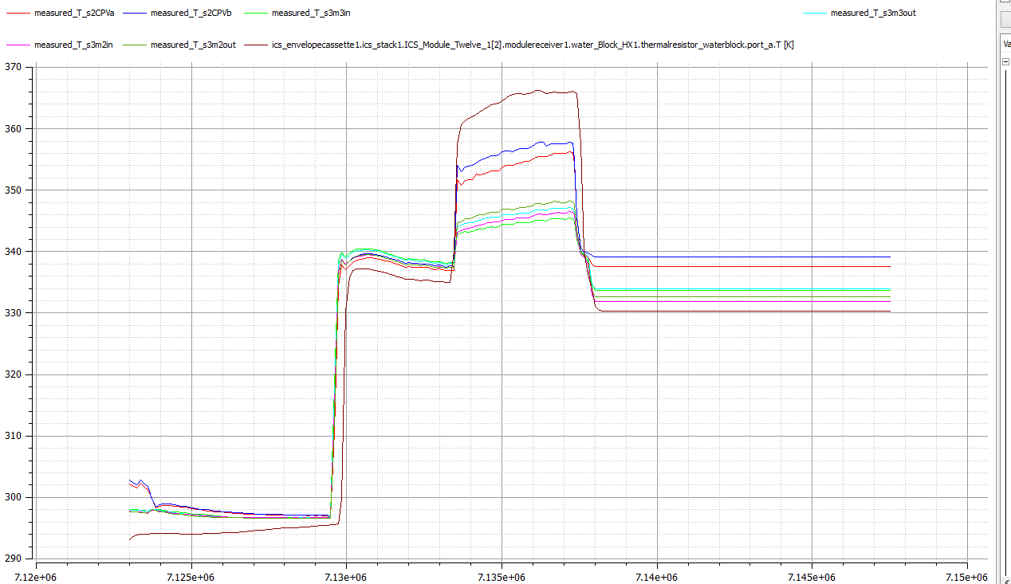

DEFAULT | Cond_RecToEnv =10 |  | change to | Cond_RecToEnv = 5
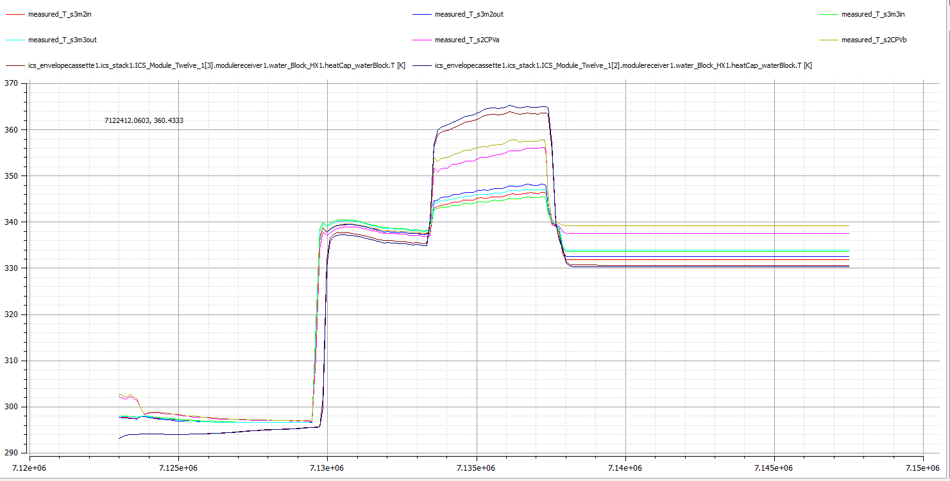

Conv at 0.5
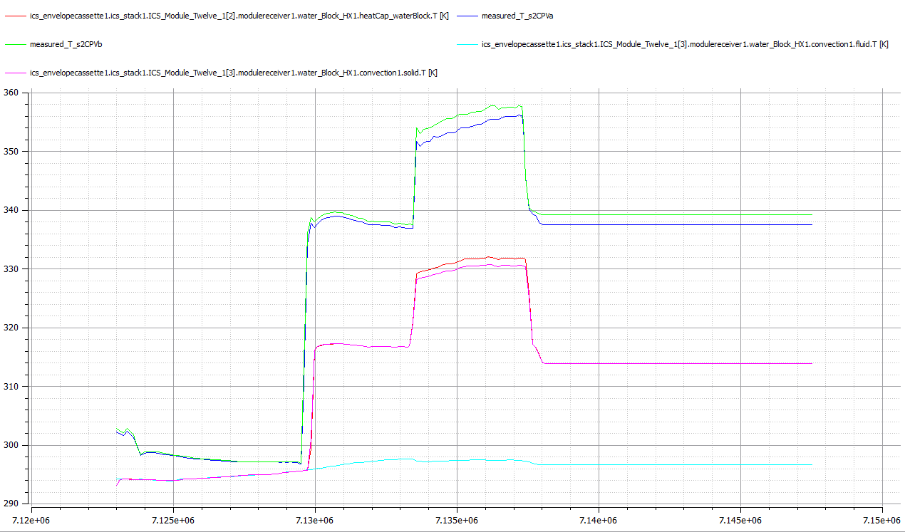

THAT’S BETTER
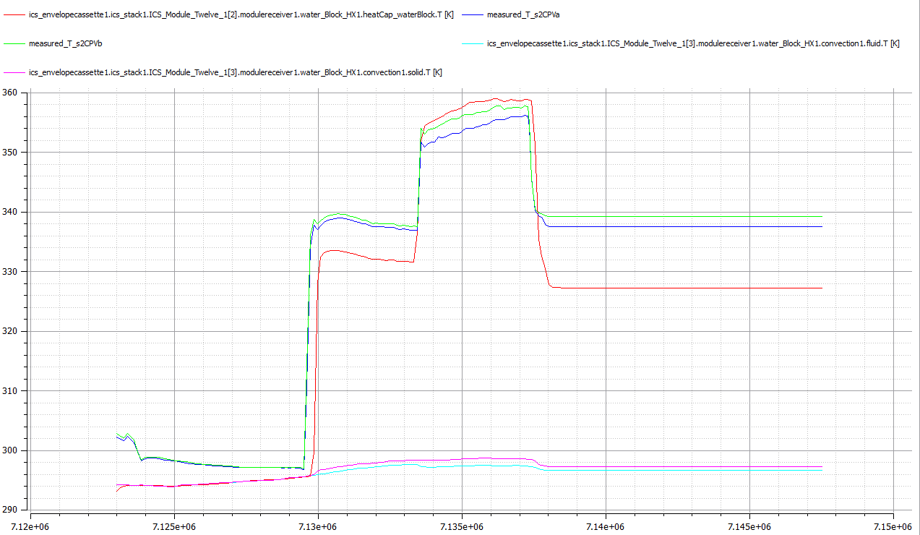

restitbty from 1.6 to 1.4

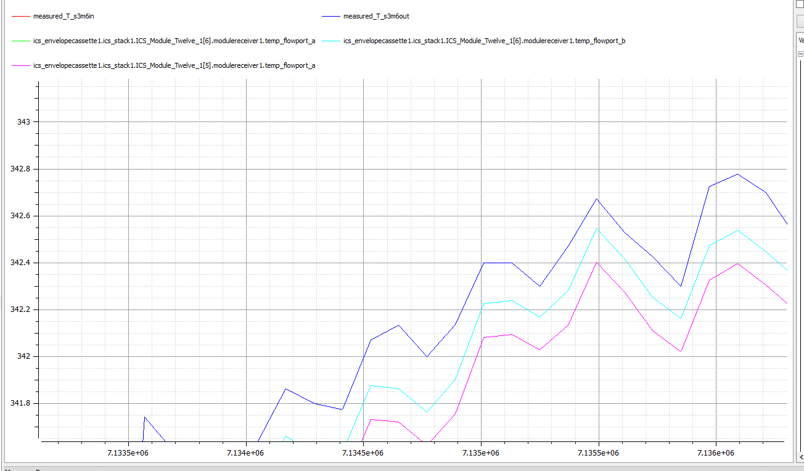

WaterPlate Resistivity to 1
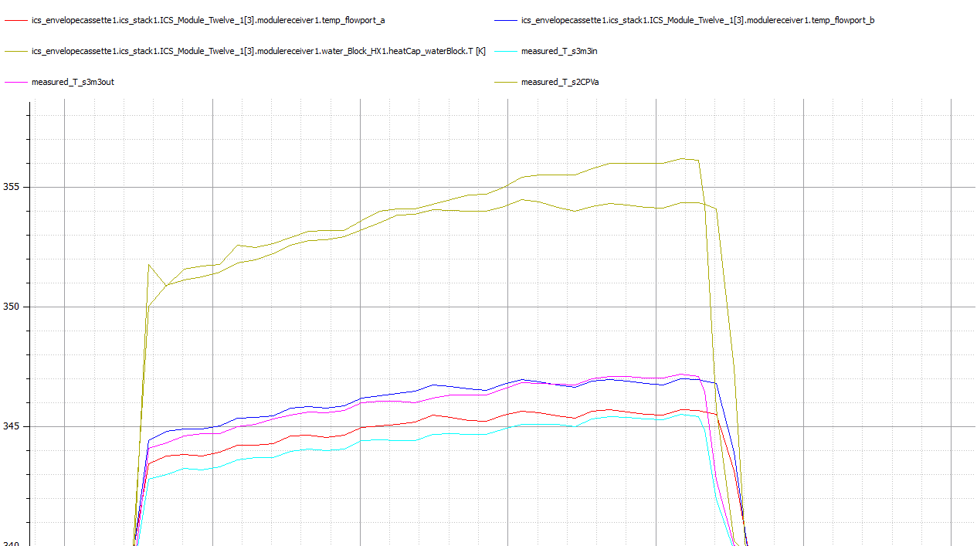

Too get above I used the following parameters

